Q #9
RF Venter Factors - 9 |  | Solution ->
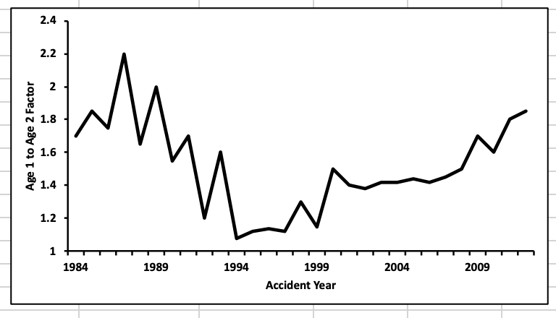

 | a.
 | Using the graph, briefly comment on the assumption that the age 1 to age 2 development factor is stable over time.

 | b.
 | Briefly describe two other tests for stability.

 | c.
 | Provide two methods for improving stability in development factors.

SHOW ALL WORK.

2014 #4
 | Source: | Spring 2014 | Exam 7 | Q #4 |  |  |  |  |  | Solution ->
 | Points: | 3.75

 |  | Given the following loss information:

 |  | Cumulative Reported Losses ($000)
 |  | Accident Year | 12 Months | 24 Months | 36 Months | 48 Months | 60 Months | 72 Months

 |  | 2008 | 200 | 1,000 | 1,500 | 1,800 | 2,100 | 2,100
 |  | 2009 | 400 | 800 | 1,000 | 1,500 | 1,800
 |  | 2010 | 800 | 1,500 | 2,000 | 2,200
 |  | 2011 | 1,200 | 2,000 | 2,200
 |  | 2012 | 400 | 1,800
 |  | 2013 | 200

 |  | t-statistic for 0.95 at Various Degrees of Freedom (DF)
 |  | DF | 1 | 2 | 3 | 4 | 5 | 6 | 7
 |  | t-statistic | 6.31 | 2.92 | 2.35 | 2.13 | 2.02 | 1.94 | 1.90
$$T=r{\left[\frac{n−2}{1−r^{2}}\right]}^{\frac{1}{2}}$$
 |  | • Assume is t-distributed with n - 2 degrees of freedom where r
 |  | is the sample correlation coefficient.

a. | 3.25 points | Evaluate whether the triangle above meets the assumption that the age-to-age factors are
 |  | independent from 12 months to 36 months, using a 10% t-statistic significance standard.

b. | 0.5 point | State two other basic chain-ladder assumptions needed for least squares optimality.

SHOW ALL WORK.

2015 #5
 | Source: | Spring 2015 | Exam 7 | Q #5 |  |  |  | Solution ->
 | Points: | 2.50

 |  | Given the following information:

 |  | Age-to-Age Loss Development Factors
 |  | Accident Year | 12-24 Months | 24-36 Months | 36-48 Months | 48-60 months | 60-72 months

 |  | 2009 | 2.50 | 1.45 | 1.06 | 1.05 | 1.01
 |  | 2010 | 1.80 | 1.38 | 1.15 | 1.02
 |  | 2011 | 2.13 | 1.20 | 1.13
 |  | 2012 | 2.18 | 1.36
 |  | 2013 | 1.95

 |  |  |  | Degrees of | t-statistic
 |  |  |  | Freedom | for 0.95
 |  |  |  | 1 | 6.314
 |  |  |  | 2 | 2.920
 |  |  |  | 3 | 2.353
 |  |  |  | 4 | 2.132
 |  |  |  | 5 | 2.015
 |  |  |  | 6 | 1.943
$$T=r[{{\left(n−2\right)}/{(1−r^{2})]}}^{1/2}$$
 |  | Assume that |  |  | is t-distributed with (n - 2) degrees of freedom,
 |  | where r is the sample correlation coefficient.

 |  | Using Mack's correlation test with a 10% t-statistic significance standard, test the null
 |  | hypothesis that the 12-24 month and 24-36 month age-to-age factors are independent.

SHOW ALL WORK.

2016 #6
 | Source: | Spring 2016 | Exam 7 | Q #6 |  |  |  | Solution ->
 | Points: | 3.50

 |  | Given the following information

 |  |  | Age-to-age development factors
 |  |  | Accident | 12-24 | 24-36 | 36-48 | 48-60
 |  |  | Year | Months | Months | Months | Months
 |  |  | 2011 | 1.600 | 1.375 | 1.091 | 1.125
 |  |  | 2012 | 5.000 | 1.100 | 2.000
 |  |  | 2013 | 2.833 | 1.588
 |  |  | 2014 | 2.091
$$T=r[{{\left(n−2\right)}/{(1−r^{2})]}}^{1/2}$$
 |  | • Assume that
 |  | • The following table displays the t-statistic for 0.9 at various degrees of freedom:

 |  | Degrees of Freedom |  | 1 | 2 | 3
 |  | t-statistic |  | 6.314 | 2.92 | 2.354

a. | 2 points | Using Venter's correlation test, determine whether the correlation between the pair of
 |  | development factor columns (12-24 Months) and (24-36 Months) is significant at the
 |  | 10% level.

b. | 1 point | Calculate Spearman's rank correlation coefficient for the triangle as a whole.

c. | 0.5 point | Briefly describe two reasons why it may be more appropriate to consider the correlation
 |  | of a loss development triangle as a whole instead of correlations between pairs of
 |  | columns.

SHOW ALL WORK.

2018 #9
 | Source: | Spring 2018 | Exam 7 | Q #9 | Solution ->
 | Points: | 1.25

 |  | Given the following information:
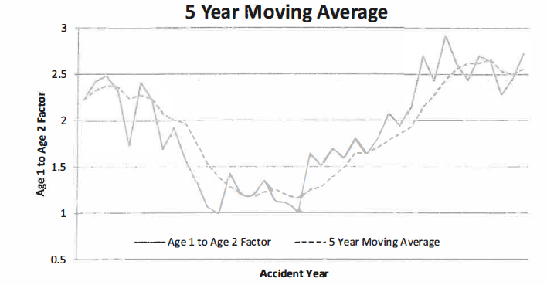

 |  | • The all-year weighted average is used to calculate the age 1 to age 2 factor.
 |  | • An actuary believes that the all-year weighted average is inappropriate.

a. | 0.75 point | Support the actuary's claim and provide two methods that could improve the estimated
 |  | age-to-age factor considering the chart above.

b. | 0.5 point | Describe an alternative method of testing the stability of the age-to-age factors based on
 |  | Venter Factors.

SHOW ALL WORK.

2018 #10
 | Source: | Spring 2018 | Exam 7 | Q #10 |  | Solution ->
 | Points: | 2.50

 |  | Given the following information as of December 31, 2017:

 |  |  | Accident Year | Incremental Paid Loss ($000) as of (months)

 |  |  |  | 12 | 24
 |  |  | 2013 | 600 | 1,300
 |  |  | 2014 | 650 | 1,400
 |  |  | 2015 | 550 | 1,400
 |  |  | 2016 | 700 | 1,450
 |  |  | 2017 | 700

 |  | • Exposures are stable over the years.
 |  | • There are no calendar or accident date trends in the data.
 |  | • A simple linear regression y = a + bx of the incremental loss at age 24 over the cumulative
 |  | loss at age 12 was performed. The resulting regression coefficients are:
 |  | o a = | 1,075
 |  | o b = | 0.5

 |  | • For a simple linear regression y = a + bx, the standard error for the slope (b) and
 |  | intercept (a) are calculated as:
$$s_{b}= \sqrt{\sum_{i}{\frac{ε_{i}^{2}}{(n−2)\sum_{i}{{\left(x_{i}−\overline{x}\right)}^{2}}}}}$$

$$s_{a}=s_{b}\sqrt{\frac{1}{n}\sum_{i}{x_{i}^{2}}}$$

 |  | where ϵi are the error terms.

a. | 2 points | Test for significance of the 12-24 loss development factor and state the chain ladder
 |  | model assumption that this test is used to validate.

b. | 0.5 point | Discuss how the estimated future loss emergence for a year with abnormally high losses
 |  | to date would differ under the chain ladder versus additive model.

SHOW ALL WORK.

